Sheet1
 |  | Document No. | Issue No. | Issue Date |  | Review and Replace Date |  | Authorised By
 |  | GFF223MC | 3 | 23.09.2020 |  | 08.04.2022 |  | Magda Shah
 |  | Document Title | 8 SALT & PEPPER CHICKEN WITH SWEET CHILLI DIP 240g
Document amendments reason for change |  | Film Updated |  |  | Page 1 of 1 | Previous Issue Date | 18.10.2021 | Uncontrolled copy unless signed original

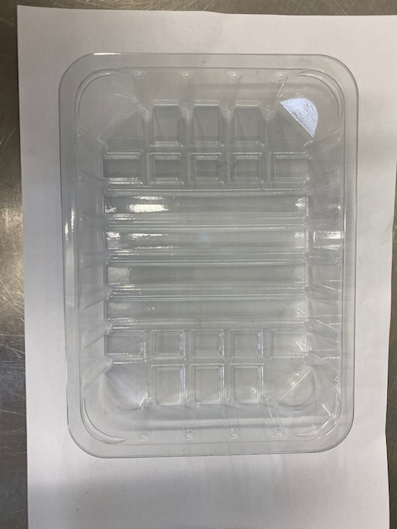
CCSPB-R1TEB | BOOTHS-XMAS |  | 8 SALT & PEPPER CHICKEN WITH SWEET CHILLI DIP 240g
STEP 1 |  |  |  |  | STEP 2
 |  |  |  |  | 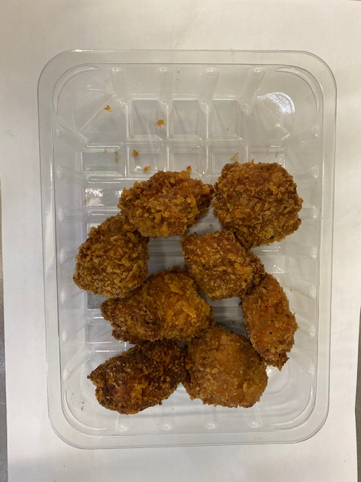

Tray: SK4-PLAIN CLEAR (PKESS001-07) |  |  |  |  | Salt & Pepper Chicken Bites (GFF331R): 200g Minimum 8 pieces
Film: ME300AFV2, 300mmx 1000m (PKPRO001-16)
STEP 3 |  |  |  |  | STEP 4
COOK
+ 18 DAYS
 |  |  |  |  | 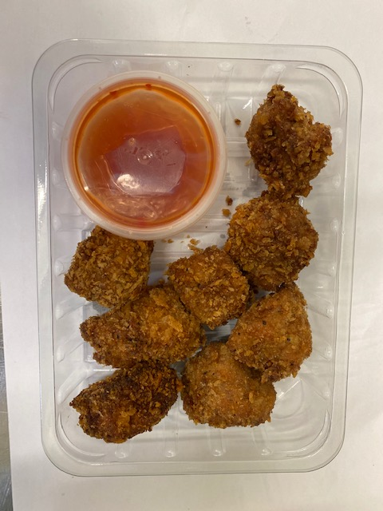

FROZEN
1 YEAR
DEFROST DAY
+ 16 DAYS

Sweet Chilli Dip - R2 (GFF109R): 40g |  |  |  |  | TOTAL WEIGHT: 240g
Satco 2oz Pots with Lids (PKJEN001-03)
ALLERGY ALERT: Soya, Sulphites, Wheat

